pareto
Pareto Chart of Responses
 | Responses |  | Cumulative %
Very happy | 50 | 30% | 30%
Happy | 45 | 58% | 58%
Neutral | 30 | 76% | 76%
Slightly annoyed | 25 | 91% | 91%
Mad | 10 | 97% | 97%
Irrate | 5 | 100% | 100%
Responses | counts | cumulative | Cumulative %
Very happy | 50 | 50 | 30%
Happy | 45 | 95 | 58%
Neutral | 30 | 125 | 76%
Slightly annoyed | 25 | 150 | 91%
Mad | 10 | 160 | 97%
Irrate | 5 | 165 | 100%
Total | 165

How to build a Pareto Chart
the above "responses" (counts) are in descending order
"cumulative" is each category added together 1 at a time
check out the formulas in the cells
Once you click on the chart "chart tools" pops up
Everything you need to do to the chart is in either design/layout/format

First make a column chart of counts and cum %
highlight the response, count columns and cum %
Use the [ctrl] key to copy columns of data that aren't next to each other
go to the Insert tab and click on column chart

now you should have a chart with 2 bars next to each other
click on the column chart that just appears on the worksheet
click on the cum % bars and change that bar to a line
You can do that by going to chart tools/design/change chart
click on the line chart
now you should have a chart with a line and the columns
click on the line on the chart and then go to Chart tools/ Format tab
On the far left on the menu bar select "series cumulative%" from the pull down menu
then select format selection/ series options/
click on the radial button "secondary axis"
then close

Hypothesis Test
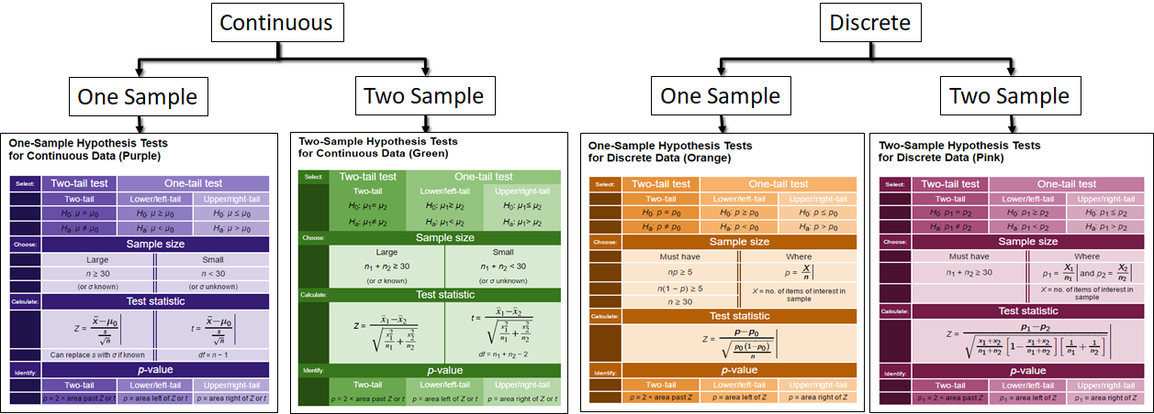

Reject Ho when the p-value is less than or equal to alpha

Test Statistic |  |  | Lower left | 0.1171590048
Mean | 8 | upperright z | 0.20326939183 |  | 0.00000044
Null | 9
STDV | 4
population | 24

